Combo chart
Order Month | Sum of Sales | Sum of Profit
Jan | $95,365.938 | $9,199.270
Feb | $60,172.649 | $10,288.899
Mar | $199,252.984 | $26,806.574
Apr | $141,851.567 | $13,437.807
May | $156,122.287 | $22,308.513
Jun | $147,082.611 | $20,899.335
Jul | $149,580.838 | $13,535.383
Aug | $159,589.451 | $21,896.715
Sep | $309,770.100 | $37,293.193
Oct | $197,115.202 | $31,469.664
Nov | $349,120.074 | $35,825.537
Dec | $332,177.160 | $43,436.134

Pi chart
Category | Sum of Sales
Furniture | 32.30%
Office Supplies | 31.30%
Technology | 36.40%
Grand Total | 100.00%

Top 5
Sub-Category | Sum of Sales
Phones | 330007.054
Chairs | 328449.103
Storage | 223843.608
Tables | 206965.532
Binders | 203412.733

KPI
Order Month | Sum of Sales | Order Month | Sum of Profit | Order Month | Count of Order ID | Order Month | Sum of Quantity | Order Month | Count of Segment
Jan | 95365.9376 | Jan | 9199.27 | Jan | 387 | Jan | 1500 | Jan | 387
Feb | 60172.6494 | Feb | 10288.8987 | Feb | 301 | Feb | 1068 | Feb | 301
Mar | 199252.984 | Mar | 26806.5737 | Mar | 680 | Mar | 2491 | Mar | 680
Apr | 141851.5674 | Apr | 13437.8068 | Apr | 663 | Apr | 2441 | Apr | 663
May | 156122.2867 | May | 22308.5128 | May | 750 | May | 2850 | May | 750
Jun | 147082.6113 | Jun | 20899.3345 | Jun | 709 | Jun | 2644 | Jun | 709
Jul | 149580.838 | Jul | 13535.383 | Jul | 708 | Jul | 2705 | Jul | 708
Aug | 159589.451 | Aug | 21896.7154 | Aug | 710 | Aug | 2796 | Aug | 710
Sep | 309770.0997 | Sep | 37293.1925 | Sep | 1386 | Sep | 5073 | Sep | 1386
Oct | 197115.2017 | Oct | 31469.6638 | Oct | 817 | Oct | 3095 | Oct | 817
Nov | 349120.074 | Nov | 35825.5366 | Nov | 1462 | Nov | 5741 | Nov | 1462
Dec | 332177.1595 | Dec | 43436.1339 | Dec | 1421 | Dec | 5469 | Dec | 1421
Grand Total | $2,297,200.86 | Grand Total | $286,397.02 | Grand Total | 9994 | Grand Total | 37873 | Grand Total | 9994
 | $2,297,200.86 |  | $286,397.02 |  | # 9994 |  | # 37873 |  | # 9994

DIscount Vs Time
Year | Sum of Discount
2011 | 315.46
2012 | 327.09
2013 | 399.12
2014 | 519.42
Grand Total | 1561.09

Dashboard
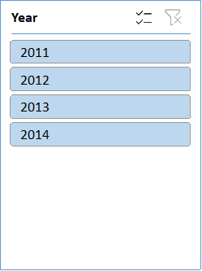
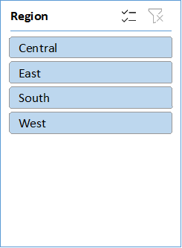
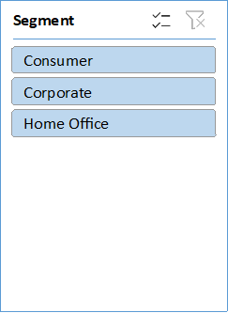
ECOMMERCE SALES ANALYSIS DASHBOARD | ECOMMERCE SALES ANALYSIS DASHBOARD
SALES
PROFIT
QUANTITY
NO OF ORDERS
PROFIT MARGIN

# 37873
# 9994
12.47%
$2,297,200.86
$286,397.02

 | Total
Jan | 95365.9376
Feb | 60172.6494
Mar | 199252.984
Apr | 141851.5674
May | 156122.2867
Jun | 147082.6113
Jul | 149580.838
Aug | 159589.451
Sep | 309770.0997
Oct | 197115.2017
Nov | 349120.074
Dec | 332177.1595
 | Total
Jan | 9199.27
Feb | 10288.8987
Mar | 26806.5737
Apr | 13437.8068
May | 22308.5128
Jun | 20899.3345
Jul | 13535.383
Aug | 21896.7154
Sep | 37293.1925
Oct | 31469.6638
Nov | 35825.5366
Dec | 43436.1339
 | Total
Jan | 1500
Feb | 1068
Mar | 2491
Apr | 2441
May | 2850
Jun | 2644
Jul | 2705
Aug | 2796
Sep | 5073
Oct | 3095
Nov | 5741
Dec | 5469
 | Total
Jan | 387
Feb | 301
Mar | 680
Apr | 663
May | 750
Jun | 709
Jul | 708
Aug | 710
Sep | 1386
Oct | 817
Nov | 1462
Dec | 1421
 | Total
Jan | 387
Feb | 301
Mar | 680
Apr | 663
May | 750
Jun | 709
Jul | 708
Aug | 710
Sep | 1386
Oct | 817
Nov | 1462
Dec | 1421

▲20.62%
YOY GROWTH
YOY GROWTH
YOY GROWTH
▲14.41%
▲27.47%
YOY GROWTH
▲28.64%
YOY GROWTH
▲5.15%

SALES AND PROFIT ANALYSIS
CATEGORY WISE PROFIT
CATEGORY WISE SALES SHARE %

 | Sum of Sales | Sum of Profit
Jan | $95,365.938 | $9,199.270
Feb | $60,172.649 | $10,288.899
Mar | $199,252.984 | $26,806.574
Apr | $141,851.567 | $13,437.807
May | $156,122.287 | $22,308.513
Jun | $147,082.611 | $20,899.335
Jul | $149,580.838 | $13,535.383
Aug | $159,589.451 | $21,896.715
Sep | $309,770.100 | $37,293.193
Oct | $197,115.202 | $31,469.664
Nov | $349,120.074 | $35,825.537
Dec | $332,177.160 | $43,436.134
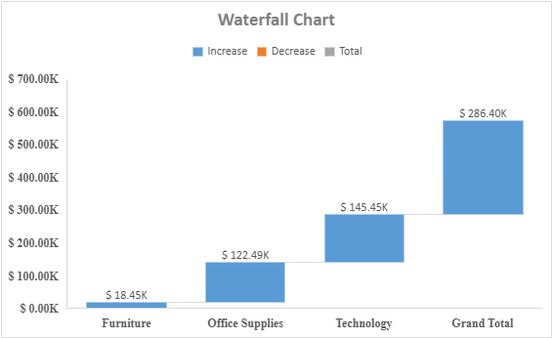
 | Total
Furniture | 32.30%
Office Supplies | 31.30%
Technology | 36.40%

FILTERS
SALES AND PROFIT ANALYSIS
TOP 10 SUB CATEGORIES

 | Total
2011 | 315.46
2012 | 327.09
2013 | 399.12
2014 | 519.42
 | Total
Phones | 330007.054
Chairs | 328449.103
Storage | 223843.608
Tables | 206965.532
Binders | 203412.733

